Attachment E - SIL Location Map
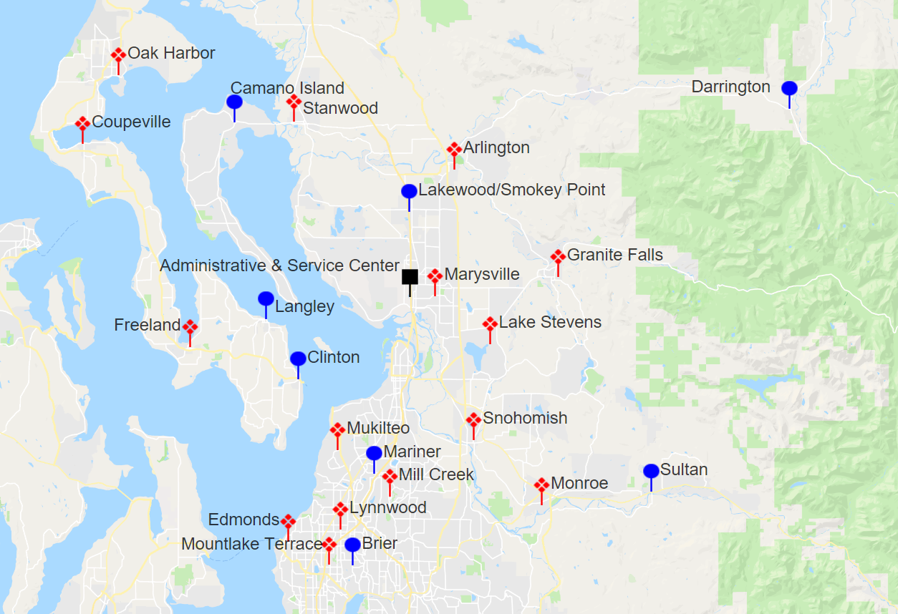
Attachment E - Sno-Isle Libraries Location Map

